Claim for Refund
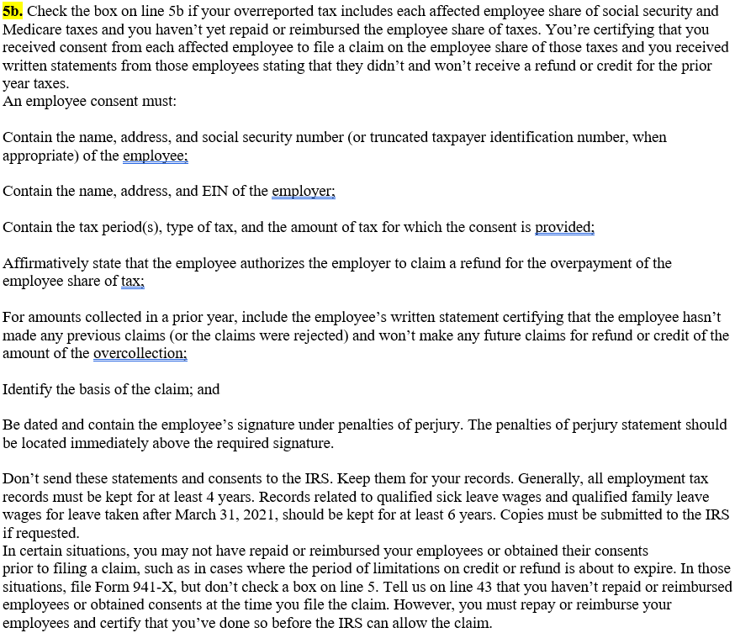
Claim for Refund Certification

 | *** Below information was taken from the IRS 941-X instruction manual (page9)

